Simple HX
ABE | PROII
Class: ShellAndTubeHeatExchanger | Class Name | Simple HX |  | The PROII HX has attributes that seem to be a Shell and Tubes Heat Exchanger. A new Class View was selected for those attributes, as the
Class View: AbeAdsHeatExchanger |  |  |  | previous one does not contain most of them.
ProII file | G8_Amine_sweetening_plant_1 1 SI.xml
ItemNumber | Object Name | HX-1 |  | Some attributes in the Composite View are linked to Physical Location (Shell/Tubes) or Therma Allocation (Hot / Cold).
Description | Description | AMINE HX1 |  | There is a rule that can change this.

 | Thermodynamic Method
May not be needed | Hot Side | AMINE
May not be needed | Cold Side | AMINE

 | Feeds
Ports.HotIn | Hot Side Inlet | 9
Ports.ColdIn | Cold Side Inlet | 6

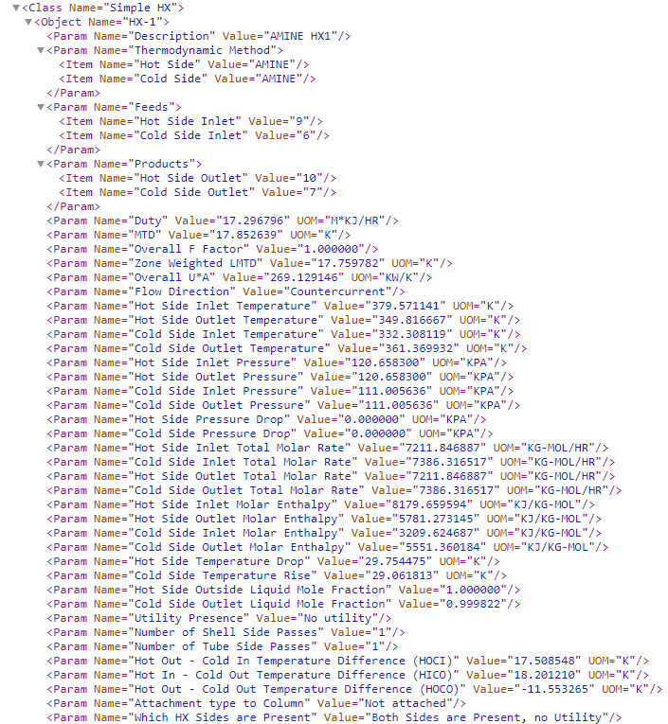
 | Products
Ports.HotOut | Hot Side Outlet | 10
Ports.ColdOut | Cold Side Outlet | 7

Pending | Attachment type to Column | Not attached
Ports.ColdIn.BulkMolarEnthalpy | Cold Side Inlet Molar Enthalpy | 3209.624687 | KJ/KG-MOL
ColdPressureIn | Cold Side Inlet Pressure | 111.005636 | KPA
ColdTemperatureIn | Cold Side Inlet Temperature | 332.308119 | K
Ports.ColdIn.BulkMolarFlow | Cold Side Inlet Total Molar Rate | 7386.316517 | KG-MOL/HR
Ports.ColdOut.LiquidMolarFraction | Cold Side Outlet Liquid Mole Fraction | 0.999822
Ports.ColdOut.BulkMolarEnthalpy | Cold Side Outlet Molar Enthalpy | 5551.360184 | KJ/KG-MOL
ColdPressureOut | Cold Side Outlet Pressure | 111.005636 | KPA
ColdTemperatureOut | Cold Side Outlet Temperature | 361.369932 | K
Ports.ColdOut.BulkMolarFlow | Cold Side Outlet Total Molar Rate | 7386.316517 | KG-MOL/HR
Pending | Cold Side Pressure Drop | 0.000000 | KPA
Pending | Cold Side Temperature Rise | 29.061813 | K
Duty | Duty | 17.296796 | M*KJ/HR
Flow Direction | Flow Direction | Countercurrent
Pending | Hot In - Cold Out Temperature Difference (HICO) | 18.201210 | K
Pending | Hot Out - Cold In Temperature Difference (HOCI) | 17.508548 | K
Pending | Hot Out - Cold Out Temperature Difference (HOCO) | -11.553265 | K
Ports.HotIn.BulkMolarEnthalpy | Hot Side Inlet Molar Enthalpy | 8179.659594 | KJ/KG-MOL
HotPressureIn | Hot Side Inlet Pressure | 120.658300 | KPA
HotTemperatureIn | Hot Side Inlet Temperature | 379.571141 | K
Ports.HotIn.BulkMolarFlow | Hot Side Inlet Total Molar Rate | 7211.846887 | KG-MOL/HR
Ports.HotOut.BulkMolarEnthalpy | Hot Side Outlet Molar Enthalpy | 5781.273145 | KJ/KG-MOL
HotPressureOut | Hot Side Outlet Pressure | 120.658300 | KPA
HotTemperatureOut | Hot Side Outlet Temperature | 349.816667 | K
Ports.HotOut.BulkMolarFlow | Hot Side Outlet Total Molar Rate | 7211.846887 | KG-MOL/HR
Ports.HotOut.LiquidMolarFraction | Hot Side Outside Liquid Mole Fraction | 1
Pending | Hot Side Pressure Drop | 0.000000 | KPA
Pending | Hot Side Temperature Drop | 29.754475 | K
LogMeanTemperatureDifference | MTD | 17.852639 | K
NumberOfShellPasses | Number of Shell Side Passes | 1
NumberOfTubePasses | Number of Tube Side Passes | 1
LogMeanTempDiffCorrectionFactor | Overall F Factor | 1
UA | Overall U*A | 269.129146 | KW/K
Ports.Energy.UtilityType | Utility Presence | No utility
Pending | Which HX Sides are Present | Both Sides are Present, no Utility
LogMeanTemperatureDifferenceCorrected | Zone Weighted LMTD | 17.759782 | K

Mas As: | Shell And Tube Heat Exchanger

Attribute no present in class view
value present in class view
value no present in class view
value present but incorrect

Pump
ABE | PROII
Class: Pump | Class Name | Pump
Class View: AbeAdsPump
ProII file | G8_Amine_sweetening_plant_1 1 SI.xml
ItemNumber | Object Name | PU-1
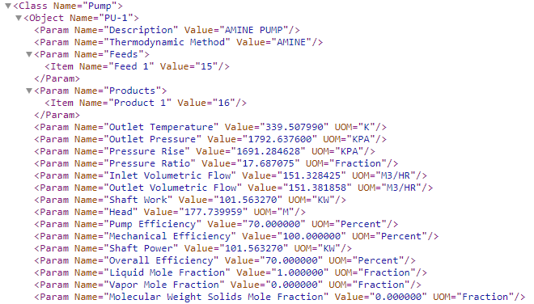
Description | Description | AMINE PUMP

May not be needed | Thermodynamic Method | AMINE

 | Feeds
Ports.Inlet | Feed 1 | 15

 | Products
Ports.Outlet | Product 1 | 16

DifferentialHead | Head | 177.739959 | M
VolumetricFlowIn | Inlet Volumetric Flow | 151.328425 | M3/HR
Ports.Inlet.LiquidMolarFraction | Liquid Mole Fraction | 1.000000 | Fraction
EfficiencyMechanical | Mechanical Efficiency | 100.000000 | Percent
Ports.Inlet.SolidMolarFraction | Molecular Weight Solids Mole Fraction | 0.000000 | Fraction
Ports.Outlet.BulkPressure | Outlet Pressure | 1792.637600 | KPA
Ports.Outlet.BulkTemperature | Outlet Temperature | 339.507990 | K
Pending | Outlet Volumetric Flow | 151.381858 | M3/HR
Pending | Overall Efficiency | 70.000000 | Percent
PressureRatio | Pressure Ratio | 17.687075 | Fraction
PressureDrop | Pressure Rise | 1691.284628 | KPA
AdiabaticEfficiency | Pump Efficiency | 70.000000 | Percent
BreakHorsePower | Shaft Power | 101.563270 | KW
WORK | Shaft Work | 101.563270 | KW
Ports.Inlet.VaporMolarFraction | Vapor Mole Fraction | 0.000000 | Fraction

Mas As: | Centrifugal Pump

Attribute no present in class view
value present in class view
value no present in class view
value present but incorrect

Flash
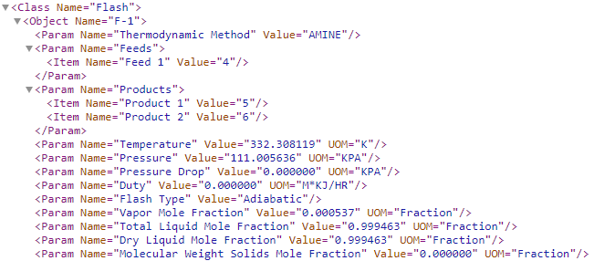
ABE | PROII
Class: Process Vessel | Class Name | Flash
Class View: AbeAdsSeparator
ProII file | G8_Amine_sweetening_plant_1 1 SI.xml
ItemNumber | Object Name | F-1
Description | Description

May not be needed | Thermodynamic Method | AMINE

 | Feeds
Ports.Inlet1 | Feed 1 | 4

 | Products
Ports.VaporOutlet | Product 1 | 5
Ports.LiquidOutlet | Product 2 | 6

Ports.Inlet1.DryLiquidMolarFraction | Dry Liquid Mole Fraction | 0.999463 | Fraction
UtilityDuty | Duty | 0.000000 | M*KJ/HR
Type | Flash Type | Adiabatic
Ports.Inlet1.SolidMolarFraction | Molecular Weight Solids Mole Fraction | 0.000000 | Fraction
PressureDrop | Pressure Drop | 0.000000 | KPA
OperatingPressure | Pressure | 111.005636 | KPA
OperatingTemperature | Temperature | 332.308119 | K
Ports.Inlet1.LiquidMolarFraction | Total Liquid Mole Fraction | 0.999463 | Fraction
Ports.Inlet1.VaporMolarFraction | Vapor Mole Fraction | 0.000537 | Fraction

Mas As: | Process Vessel

Attribute no present in class view
value present in class view
value no present in class view
value present but incorrect

Valve
ABE | PROII
Class: ControlValve | Class Name | Valve
Class View: AbeAdsValve
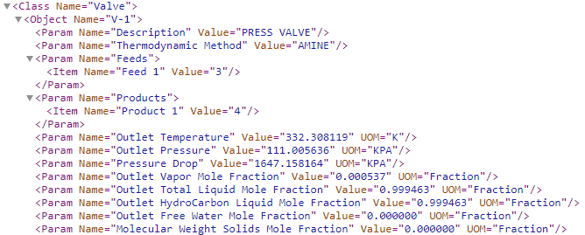
ProII file | G8_Amine_sweetening_plant_1 1 SI.xml
ItemNumber | Object Name | V-1
Description | Description | PRESS VALVE

May not be needed | Thermodynamic Method | AMINE

 | Feeds
Ports.Inlet | Feed 1 | 3

 | Products
Ports.Outlet | Product 1 | 4

Ports.Inlet.SolidMolarFraction | Molecular Weight Solids Mole Fraction | 0.000000 | Fraction
Ports.Outlet.Liquid2MolarFraction | Outlet Free Water Mole Fraction | 0.000000 | Fraction
Ports.Outlet.Liquid1MolarFraction | Outlet HydroCarbon Liquid Mole Fraction | 0.999463 | Fraction
PressureOut | Outlet Pressure | 111.005636 | KPA
TemperatureOut | Outlet Temperature | 332.308119 | K
Ports.Outlet.LiquidMolarFraction | Outlet Total Liquid Mole Fraction | 0.999463 | Fraction
Ports.Outlet.VaporMolarFraction | Outlet Vapor Mole Fraction | 0.000537 | Fraction
PressureDrop | Pressure Drop | 1647.158164 | KPA

Mas As: | Control Valve

Attribute no present in class view
value present in class view
value no present in class view
value present but incorrect

Compressor
ABE | PROII
Class: Centrifugal Compressor | Class Name | Compressor
Class View: AbeAdsCompressor
ProII file | a.xml
ItemNumber | Object Name | C2CO
Description | Description | C2-RECY-COMP
 |  |  |  | what I want | what I get
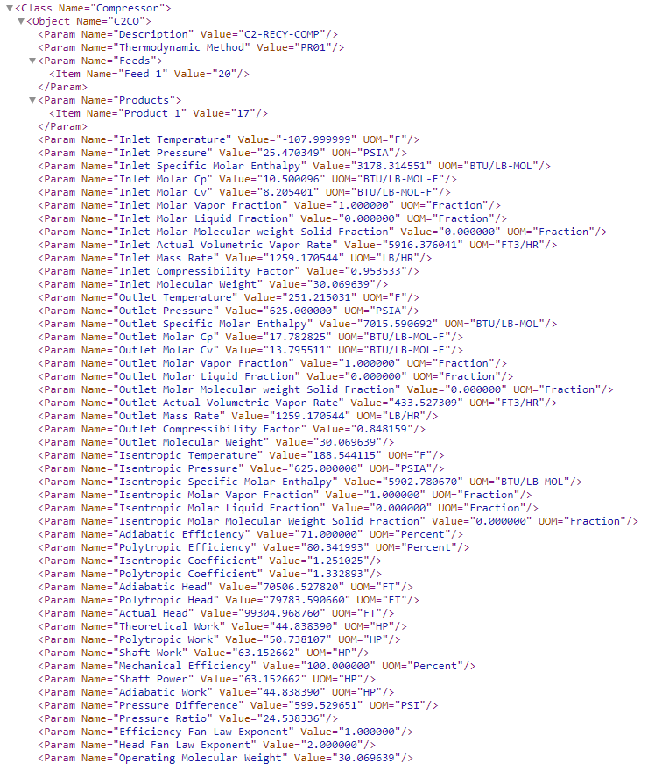
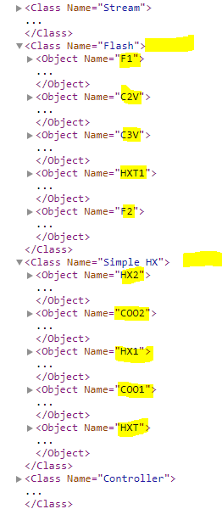
May not be needed | Thermodynamic Method | PR01

 | Feeds
Ports.Inlet | Feed 1 | 4

 | Products
Ports.Outlet | Product 1 | 17

Pending | Actual Head | 99304.968760 | FT
Pending | Adiabatic Efficiency | 71.000000 | Percent
Pending | Adiabatic Head | 70506.527820 | FT
Pending | Adiabatic Work | 44.838390 | HP
Pending | Efficiency Fan Law Exponent | 1
Pending | Head Fan Law Exponent | 2
VolumetricFlowIn | Inlet Actual Volumetric Vapor Rate | 5916.376041 | FT3/HR
CompressibiltyIn | Inlet Compressibility Factor | 0.953533
MassFlowIn | Inlet Mass Rate | 1259.170544 | LB/HR
Ports.Inlet.BulkMolarHeatCapacity | Inlet Molar Cp | 10.500096 | BTU/LB-MOL-F
Ports.Inlet.BulkMolarHeatCapacityConstVol | Inlet Molar Cv | 8.205401 | BTU/LB-MOL-F
Ports.Inlet.LiquidMolarFraction | Inlet Molar Liquid Fraction | 0.000000 | Fraction
Ports.Inlet.SolidMolarFraction | Inlet Molar Molecular weight Solid Fraction | 0.000000 | Fraction
Ports.Inlet.VaporMolarFraction | Inlet Molar Vapor Fraction | 1.000000 | Fraction
MolecularWeight | Inlet Molecular Weight | 30.069639
PressureIn | Inlet Pressure | 25.470349 | PSIA
Ports.Inlet.BulkMolarEnthalpy | Inlet Specific Molar Enthalpy | 3178.314551 | BTU/LB-MOL
TemperatureIn | Inlet Temperature | -107.999999 | F
Pending | Isentropic Coefficient | 1.251025
Not supported attribute in ABE | Isentropic Molar Liquid Fraction | 0.000000 | Fraction
Not supported attribute in ABE | Isentropic Molar Molecular Weight Solid Fraction | 0.000000 | Fraction
Not supported attribute in ABE | Isentropic Molar Vapor Fraction | 1.000000 | Fraction
Not supported attribute in ABE | Isentropic Pressure | 625.000000 | PSIA
Not supported attribute in ABE | Isentropic Specific Molar Enthalpy | 5902.780670 | BTU/LB-MOL
Not supported attribute in ABE | Isentropic Temperature | 188.544115 | F
MechanicalEfficiency | Mechanical Efficiency | 100.000000 | Percent
Pending | Operating Molecular Weight | 30.069639
VolumetricFlowOut | Outlet Actual Volumetric Vapor Rate | 433.527309 | FT3/HR
CompressibiltyOut | Outlet Compressibility Factor | 0.848159
Pending | Outlet Mass Rate | 1259.170544 | LB/HR
Ports.Outlet.BulkMolarHeatCapacity | Outlet Molar Cp | 17.782825 | BTU/LB-MOL-F
Ports.Outlet.BulkMolarHeatCapacityConstVol | Outlet Molar Cv | 13.795511 | BTU/LB-MOL-F
Ports.Outlet.LiquidMolarFraction | Outlet Molar Liquid Fraction | 0.000000 | Fraction
Ports.Outlet.SolidMolarFraction | Outlet Molar Molecular weight Solid Fraction | 0.000000 | Fraction
Ports.Outlet.VaporMolarFraction | Outlet Molar Vapor Fraction | 1.000000 | Fraction
Pending | Outlet Molecular Weight | 30.069639
PressureOut | Outlet Pressure | 625.000000 | PSIA
Ports.Outlet.BulkMolarEnthalpy | Outlet Specific Molar Enthalpy | 7015.590692 | BTU/LB-MOL
TemperatureOut | Outlet Temperature | 251.215031 | F
Pending | Polytropic Coefficient | 1.332893
PolytropicEfficiency | Polytropic Efficiency | 80.341993 | Percent
Pending | Polytropic Head | 79783.590660 | FT
Pending | Polytropic Work | 50.738107 | HP
PressureDrop | Pressure Difference | 599.529651 | PSI
Pending | Pressure Ratio | 24.538336
PowerIndicated | Shaft Power | 63.152662 | HP
Work | Shaft Work | 63.152662 | HP
Pending | Theoretical Work | 44.838390 | HP

Mas As: | Centrifugal Compressor

Air Cooled HX
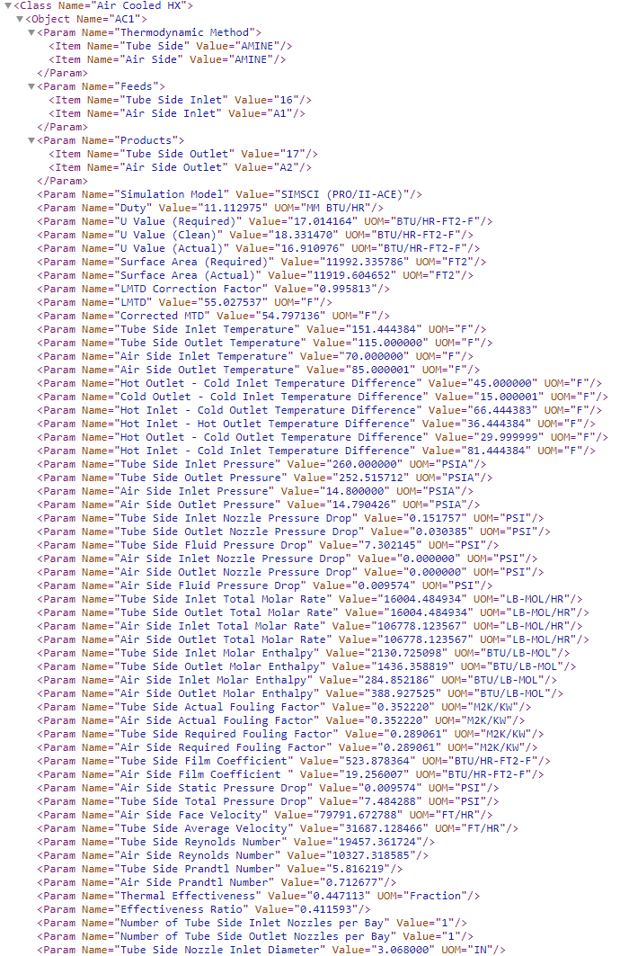
ABE | PROII
Class: AirCooledExchanger | Class Name | Air Cooled HX
Class View: AbeAdsAirCooledExchanger
ProII file | G8_Amine_sweetening_plant_1 1.xml
ItemNumber | Object Name | AC1
Description | Description

 | Thermodynamic Method
May not be needed | Tube Side | AMINE
May not be needed | Air Side | AMINE

 | Feeds
Ports.Inlet | Tube Side Inlet | 16
Ports.AirIn | Air Side Inlet | A1

 | Products
Ports.Outlet | Tube Side Outlet | 17
Ports.AirOut | Air Side Outlet | A2

May not be needed | Simulation Model | SIMSCI (PROII-ACE)
Pending | Air film Thermal Resistance (Absolute) | 9.145718 | M2K/KW
Pending | Air film Thermal Resistance (Percentage) | 88.695066 | Percent
AirSideFoulingResistance | Air Side Actual Fouling Factor | 0.352220 | M2K/KW
AirSideFaceVelocity | AirSideFaceVelocity | 79791.672788 | FT/HR
Pending | Air Side Film Coefficient | 19.256007 | BTU/HR-FT2-F
AirSidePressureDropCalculated | Air Side Fluid Pressure Drop | 0.009574 | PSI
Pending | Air Side Inlet Molar Enthalpy | 284.852186 | BTU/LB-MOL
Pending | Air Side Inlet Nozzle Pressure Drop | 0.000000 | PSI
Pending | Air Side Inlet Pressure | 14.800000 | PSIA
AirTemperatureIn | Air Side Inlet Temperature | 70.000000 | F
Pending | Air Side Inlet Total Molar Rate | 106778.123567 | LB-MOL/HR
Pending | Air Side Outlet Molar Enthalpy | 388.927525 | BTU/LB-MOL
Pending | Air Side Outlet Nozzle Pressure Drop | 0.000000 | PSI
Pending | Air Side Outlet Pressure | 14.790426 | PSIA
AirTemperatureOut | Air Side Outlet Temperature | 85.000001 | F
Pending | Air Side Outlet Total Molar Rate | 106778.123567 | LB-MOL/HR
Pending | Air Side Prandtl Number | 0.712677
Pending | Air Side Required Fouling Factor | 0.289061 | M2K/KW
Pending | Air Side Reynolds Number | 10327.318585
Pending | Air Side Static Pressure Drop | 0.009574 | PSI
BundleWidth | BundleWidth | 8.263889 | FT
NumberOfTubeBundleInParallel | Bundles in Parallel per Bay | 1
NumberOfTubeBundlesInSeries | Bundles in Series per Bay | 1
Pending | Cold Outlet - Cold Inlet Temperature Difference | 15.000001 | F
MTDEffective | Corrected MTD | 54.797136 | F
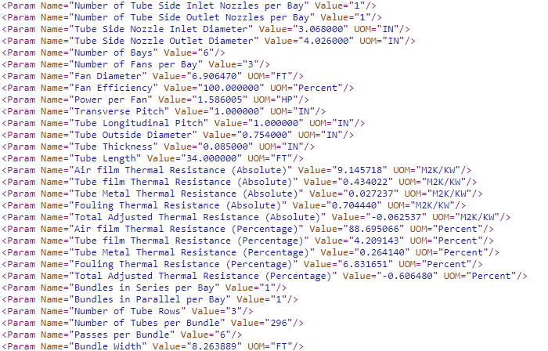
HeatTransfer | Duty | 11.112975 | MM BTU/HR
Pending | Effectiveness Ratio | 0.411593
FanDiameter | Fan Diameter | 6.906470 | FT
FanEfficiency | Fan Efficiency | 100.000000 | Percent
FoulingResistance | Fouling Thermal Resistance (Absolute) | 0.704440 | M2K/KW
Pending | Fouling Thermal Resistance (Percentage) | 6.831651 | Percent
ABE doest not support this attribute and is not useful. | Hot Inlet - Cold Inlet Temperature Difference | 81.444384 | F
ABE doest not support this attribute and is not useful. | Hot Inlet - Cold Outlet Temperature Difference | 66.444383 | F
Pending | Hot Inlet - Hot Outlet Temperature Difference | 36.444384 | F
ABE doest not support this attribute and is not useful. | Hot Outlet - Cold Inlet Temperature Difference | 45.000000 | F
ABE doest not support this attribute and is not useful. | Hot Outlet - Cold Outlet Temperature Difference | 29.999999 | F
LMTDCorrectionFactor | LMTD Correction Factor | 0.995813
MTD | LMTD | 55.027537 | F
NumberOfBaysPerItem | Number of Bays | 6
NoOfFansPerBay | Number of Fans per Bay | 3
NumberofTubeRows | Number of Tube Rows | 3
NozzleNumberInlet | Number of Tube Side Inlet Nozzles per Bay | 1
NozzleNumberOutlet | Number of Tube Side Outlet Nozzles per Bay | 1
NumberOfTubesPerBundle | Number of Tubes per Bundle | 296
HeaderNumberOfPasses | Passes per Bundle | 6
FanPower | Power per Fan | 1.586005 | HP
SurfaceAreaPerUnitFinnedTube | Surface Area (Actual) | 11919.604652 | FT2
RequiredSurfacePerUnit | Surface Area (Required) | 11992.335786 | FT2
Pending | Thermal Effectiveness | 0.447113 | Fraction
Pending | Thermal Effectiveness | 4.209143 | Percent
Pending | Total Adjusted Thermal Resistance (Absolute) | -0.062537 | M2K/KW
Pending | Total Adjusted Thermal Resistance (Percentage) | -0.606480 | Percent
TubeTransversePitch | Transverse Pitch | 1.000000 | IN
Pending | Tube film Thermal Resistance (Absolute) | 0.434022 | M2K/KW
TubeLength | Tube Length | 34.000000 | FT
TubeLongitudinalPitch | Tube Longitudinal Pitch | 1.000000 | IN
Pending | Tube Metal Thermal Resistance (Absolute) | 0.027237 | M2K/KW
Pending | Tube Metal Thermal Resistance (Percentage) | 0.264140 | Percent
TubeOD | Tube Outside Diameter | 0.754000 | IN
FoulingResistance | Tube Side Actual Fouling Factor | 0.352220 | M2K/KW
Pending | Tube Side Average Velocity | 31687.128466 | FT/HR
Pending | Tube Side Film Coefficient | 523.878364 | BTU/HR-FT2-F
Pending | Tube Side Fluid Pressure Drop | 7.302145 | PSI
Ports.Inlet.BulkMolarEnthalpy | Tube Side Inlet Molar Enthalpy | 2130.725098 | BTU/LB-MOL
Pending | Tube Side Inlet Nozzle Pressure Drop | 0.151757 | PSI
TubeSideInletPressure | Tube Side Inlet Pressure | 260.000000 | PSIA
TubeInletTemperature | Tube Side Inlet Temperature | 151.444384 | F
Ports.Inlet.BulkMolarFlow | Tube Side Inlet Total Molar Rate | 16004.484934 | LB-MOL/HR
NozzleSizeInlet | Tube Side Nozzle Inlet Diameter | 3.068000 | IN
NozzleSizeOutlet | Tube Side Nozzle Outlet Diameter | 4.026000 | IN
Ports.Outlet.BulkMolarEnthalpy | Tube Side Outlet Molar Enthalpy | 1436.358819 | BTU/LB-MOL
Pending | Tube Side Outlet Nozzle Pressure Drop | 0.030385 | PSI
Ports.Outlet.BulkPressure | Tube Side Outlet Pressure | 252.515712 | PSIA
TubeOutletTemperature | Tube Side Outlet Temperature | 115.000000 | F
Ports.Outlet.BulkMolarFlow | Tube Side Outlet Total Molar Rate | 16004.484934 | LB-MOL/HR
Pending | Tube Side Prandtl Number | 5.816219
Pending | Tube Side Required Fouling Factor | 0.289061 | M2K/KW
Pending | Tube Side Reynolds Number | 19457.361724
TubeSideCalculatedPressureDrop | Tube Side Total Pressure Drop | 7.484288 | PSI
TubeMinimumWallThickeness | Tube Thickness | 0.085000 | IN
Pending | U (Actual) | 16.910976 | BTU/HR-FT2-F
TransferRateClean | U (Clean) | 18.331470 | BTU/HR-FT2-F
TransferRateBare | U (Required) | 17.014164 | BTU/HR-FT2-F

Mas As: | Air Cooled Exchanger

Stream
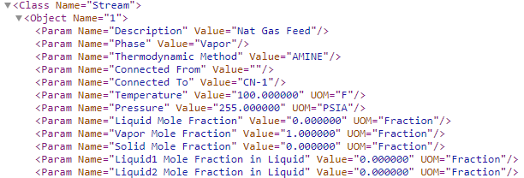
ABE | PROII
Class: PfdPipingSystem | Class Name | Stream
Class View: AbeAdsPipingSystem
ProII file | G8_Amine_sweetening_plant_1 1.xml
ItemNumber | Object Name | 1
Description | Description | Nat Gas Feed
Pending | Phase | Vapor
May not be needed | Thermodynamic Method | AMINE
Pending | Connected From
Pending | Connected To | CN-1
BulkTemperature | Temperature | 100.000000 | F
BulkPressure | Pressure | 255.000000 | PSIA
LiquidMolarFraction | Liquid Mole Fraction | 0.000000 | Fraction
VaporMolarFraction | Vapor Mole Fraction | 1.000000 | Fraction
SolidMolarFraction | Solid Mole Fraction | 0.000000 | Fraction
Liquid1MolarFraction | Liquid1 Mole Fraction in Liquid | 0.000000 | Fraction
Liquid2MolarFraction | Solid Mole Fraction | 0.000000 | Fraction

Mas As: | Primary Stream

 |  |  |  | Stream 4 used for Phases as it has Liquid and Vapor

Bulk Phase
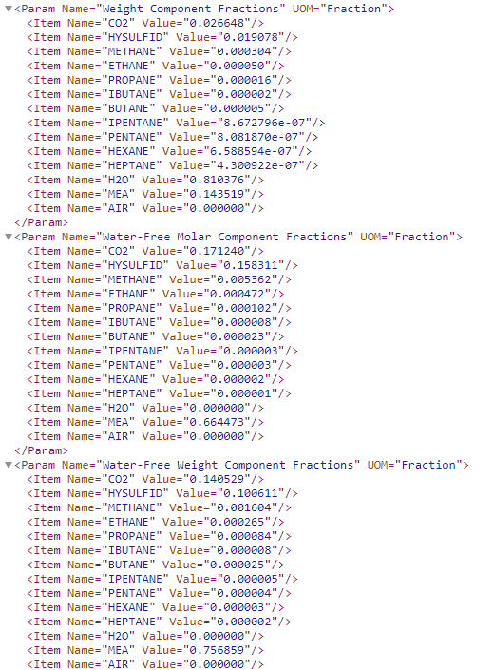
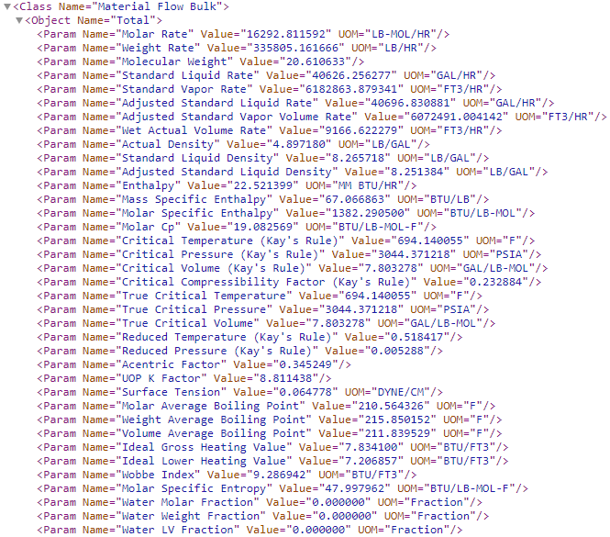
ABE | PROII
Class: PfdPipingSystem | Class Name | Material Flow Bulk
Class View: AbeAdsPipingSystem
ProII file | G8_Amine_sweetening_plant_1 1.xml | Stream 3
Pending | Object Name | Total

BulkMolarFlow | Molar Rate | 16292.811592 | LB-MOL/HR
BulkMassFlow | Weight Rate | 335805.161666 | LB/HR
BulkAccentricFactor | Acentric Factor | 0.345249
BulkMassDensity | Actual Density | 4.897180 | LB/GAL
Pending | Adjusted Standard Liquid Density | 8.251384 | LB/GAL
Pending | Adjusted Standard Liquid Rate | 40696.830881 | GAL/HR
Pending | Adjusted Standard Vapor Volume Rate | 6072491.004142 | FT3/HR
Pending | Critical Compressibility Factor (Kay's Rule) | 0.232884
Pending | Critical Pressure (Kay's Rule) | 3044.371218 | PSIA
Pending | Critical Temperature (Kay's Rule) | 694.140055 | F
Pending | Critical Volume (Kay's Rule) | 7.803278 | GAL/LB-MOL
BulkEnthalpyFlow | Enthalpy | 22.521399 | MM BTU/HR
Pending | Ideal Gross Heating | 7.834100 | BTU/FT3
Pending | Ideal Lower Heating | 7.206857 | BTU/FT3
BulkMassEnthalpy | Mass Specific Enthalpy | 67.066863 | BTU/LB
Pending | Molar Average Boiling Point | 210.564326 | F
BulkMolarHeatCapacity | Molar Cp | 19.082569 | BTU/LB-MOL-F
BulkMolarEnthalpy | Molar Specific Enthalpy | 1382.290500 | BTU/LB-MOL
BulkMolarEntropy | Molar Specific Entropy | 47.997962 | BTU/LB-MOL-F
BulkMolecularWeight | Molecular Weight | 20.610633
Pending | Reduced Pressure (Kay's Rule) | 0.005288
Pending | Reduced Temperature (Kay's Rule) | 0.518417
BulkStdMassDensity | Standard Liquid Density | 8.265718 | LB/GAL
BulkStandardLiquidVolumeFlowRate | Standard Liquid Rate | 40626.256277 | GAL/HR
Pending | Standard Vapor Rate | 6182863.879341 | FT3/HR
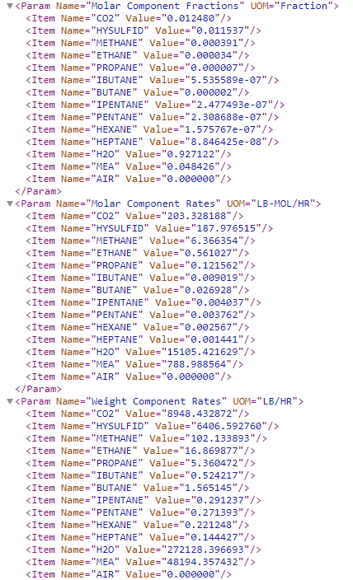
BulkSurfaceTension | Surface Tension | 0.064778 | DYNE/CM
BulkCriticalPressure | True Critical Pressure | 3044.371218 | PSIA
BulkCriticalTemperature | True Critical Temperature | 694.140055 | F
BulkCriticalVolume | True Critical Volume | 7.803278 | GAL/LB-MOL
Pending | UOP K Factor | 8.811438
Pending | Volume Average Boiling Point | 211.839529 | F
Pending | Water LV Fraction | 0.000000 | Fraction
Pending | Water Molar Fraction | 0.000000 | Fraction
BulkWaterFraction | Water Weight Fraction | 0.000000 | Fraction
Pending | Weight Average Boiling Point | 215.850152 | F
Pending | Wet Actual Volume Rate | 9166.622279 | FT3/HR
BulkWobbeIndex | Wobbe Index | 9.286942 | BTU/FT3

CompBulkMoleFraction(*) | Molar Component Fractions | Multiple Values | Fraction
CompBulkMoleFlow(*) | Molar Component Rates | Multiple Values | LB-MOL/HR
CompBulkMassFlow(*) | Weight Component Rates | Multiple Values | LB/HR
CompBulkMassFraction(*) | Weight Component Fractions | Multiple Values | Fraction
Pending | Water-Free Molar Component Fractions | Multiple Values | Fraction
Pending | Water-Free Weight Component Fractions | Multiple Values | Fraction

Mas As: | Primary Stream

Liquid Phase
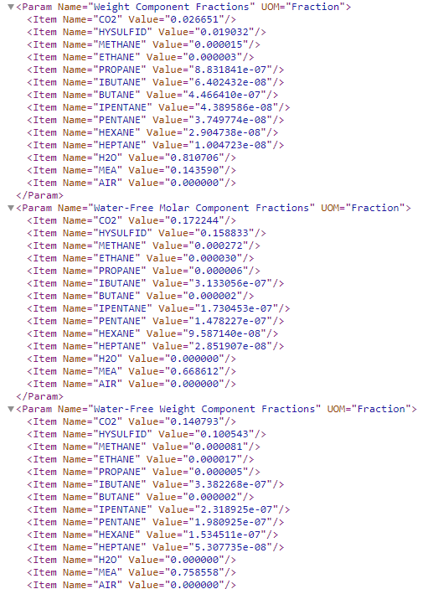
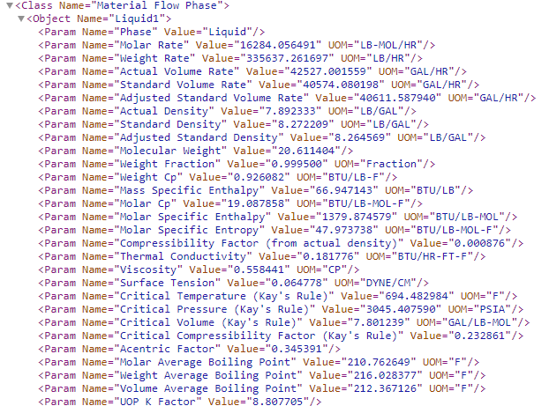
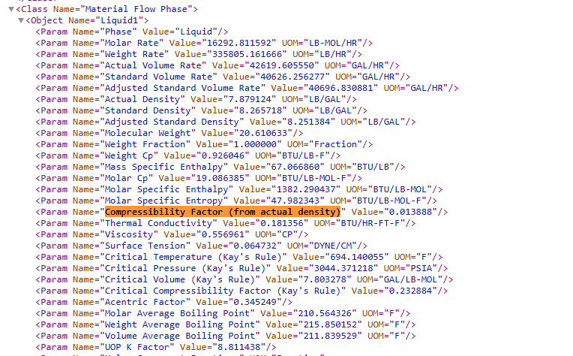
ABE | PROII
Class: PfdPipingSystem | Class Name | Material Flow Phase
Class View: AbeAdsPipingSystem
ProII file | G8_Amine_sweetening_plant_1 1.xml | Stream Name 3
Pending | Object Name | Liquid1

Pending | Phase | Liquid
Liquid1AccentricFactor | Acentric Factor | 0.345391
Liquid1MassDensity | Actual Density | 7.892333 | LB/GAL
Liquid1VolumetricFlow | Actual Volume Rate | 42527.001559 | GAL/HR
Pending | Adjusted Standard Density | 8.264569 | LB/GAL
Pending | Adjusted Standard Volume Rate | 40611.587940 | GAL/HR
Liquid1Compressibility | Compressibility Factor (from actual density) | 0.000876
Pending | Critical Compressibility Factor (Kay's Rule) | 0.232861
Liquid1CriticalPressure | Critical Pressure (Kay's Rule) | 3045.407590 | PSIA
Liquid1CriticalTemperature | Critical Temperature (Kay's Rule) | 694.482984 | F
Liquid1CriticalVolume | Critical Volume (Kay's Rule) | 7.801239 | GAL/LB-MOL
Liquid1MassEnthalpy | Mass Specific Enthalpy | 66.947143 | BTU/LB
Pending | Molar Average Boiling Point | 210.762649 | F
Liquid1MolarHeatCapacity | Molar Cp | 19.087858 | BTU/LB-MOL-F
Liquid1MolarFlow | Molar Rate | 16284.056491 | LB-MOL/HR
Liquid1MolarEnthalpy | Molar Specific Enthalpy | 1379.874579 | BTU/LB-MOL
Liquid1MolarEntropy | Molar Specific Entropy | 47.973738 | BTU/LB-MOL-F
Liquid1MolecularWeight | Molecular Weight | 20.611404
Pending | Standard Density | 8.272209 | LB/GAL
Liquid1StandardVolumetricFlow | Standard Volume Rate | 40574.080198 | GAL/HR
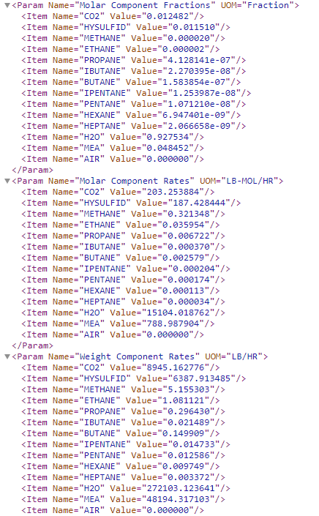
Liquid1SurfaceTension | Surface Tension | 0.064778 | DYNE/CM
Liquid1ThermalConductivity | Thermal Conductivity | 0.181776 | BTU/HR-FT-F
Pending | UOP K Factor | 8.807705
Liquid1Viscosity | Viscosity | 0.558441 | CP
Pending | Volume Average Boiling Point | 212.367126 | F
Pending | Weight Average Boiling Point | 216.028377 | F
Liquid1MassHeatCapacity | Weight Cp | 0.926082 | BTU/LB-F
LiquidMassFraction | Weight Fraction | 0.999500 | Fraction
Liquid1MassFlow | Weight Rate | 335637.261697 | LB/HR

Attributes in the LiqudiPhase indicate this:
DEPRECATED: LiquidPhase node is populated via SumComponents rule (CombineLiquidPhases function)

CompLiquid1MoleFraction(*) | Molar Component Fractions | Multiple Values | Fraction
CompLiquid1MoleFlow(*) | Molar Component Rates | Multiple Values | LB-MOL/HR
CompLiquid1MassFlow(*) | Weight Component Rates | Multiple Values | LB/HR
CompLiquid1MassFraction(*) | Weight Component Fractions | Multiple Values | Fraction
Pending | Water-Free Molar Component Fractions | Multiple Values | Fraction
Pending | Water-Free Weight Component Fractions | Multiple Values | Fraction

Mas As: | Primary Stream

Vapor Phase
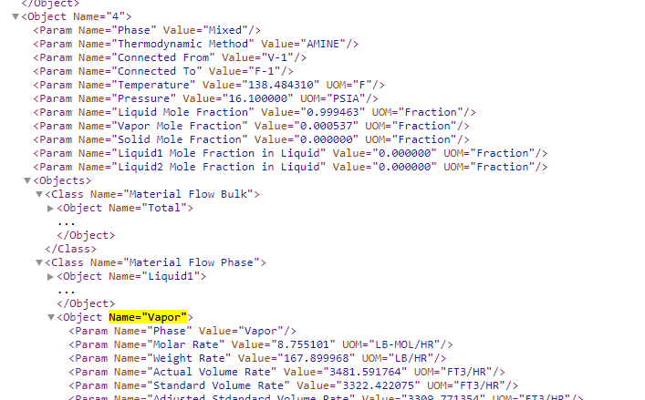
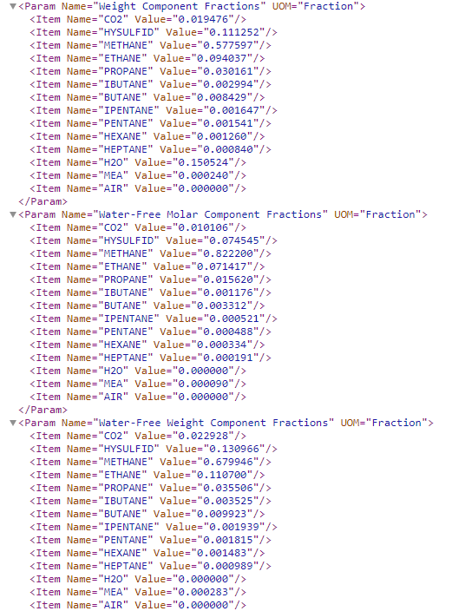
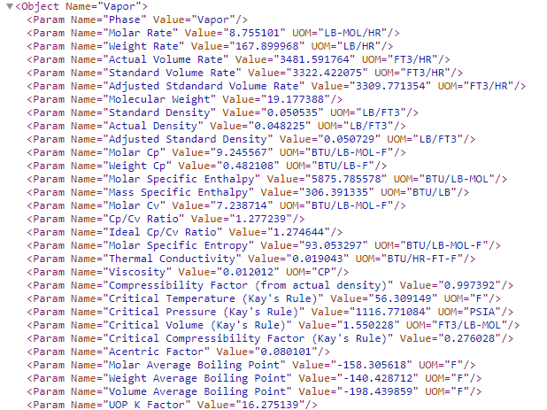
ABE | PROII
Class: PfdPipingSystem | Class Name | Material Flow Phase
Class View: AbeAdsPipingSystem
ProII file | G8_Amine_sweetening_plant_1 1.xml | Stream Name 4 (See screenshot below)
Pending | Object Name | Vapor

VaporAccentricFactor | Acentric Factor | 0.080101
VaporMassDensity | Actual Density | 0.048225 | LB/FT3
VaporVolumetricFlow | Actual Volume Rate | 3481.591764 | FT3/HR
Pending | Adjusted Standard Density | 0.050729 | LB/FT3
Pending | Adjusted Stdandard Volume Rate | 3309.771354 | FT3/HR
VaporCompressibility | Compressibility Factor (from actual density) | 0.997392
VaporHeatCapacityRatio | Cp/Cv Ratio | 1.277239
Pending | Critical Compressibility Factor (Kay's Rule) | 0.276028
VaporCriticalPressure | Critical Pressure (Kay's Rule) | 1116.771084 | PSIA
VaporCriticalTemperature | Critical Temperature (Kay's Rule) | 56.309149 | F
VaporCriticalVolume | Critical Volume (Kay's Rule) | 1.550228 | FT3/LB-MOL
Pending | Ideal Cp/Cv Ratio | 1.274644
VaporMassEnthalpy | Mass Specific Enthalpy | 306.391335 | BTU/LB
Pending | Molar Average Boiling Point | -158.305618 | F
VaporMolarHeatCapacity | Molar Cp | 9.245567 | BTU/LB-MOL-F
Pending | Molar Cv | 7.238714 | BTU/LB-MOL-F
VaporMolarFlow | Molar Rate | 8.755101 | LB-MOL/HR
VaporMolarEnthalpy | Molar Specific Enthalpy | 5875.785578 | BTU/LB-MOL
VaporMolarEntropy | Molar Specific Entropy | 93.053297 | BTU/LB-MOL-F
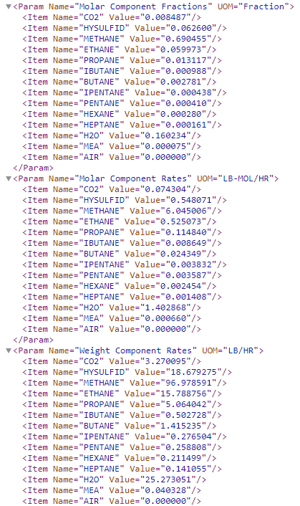
VaporMolecularWeight | Molecular Weight | 19.177388
Pending | Phase | Vapor
Pending | Standard Density | 0.050535 | LB/FT3
VaporStandardVolumetricFlow VaporStdVolumeFlow | Standard Volume Rate | 3322.422075 | FT3/HR
VaporThermalConductivity | Thermal Conductivity | 0.019043 | BTU/HR-FT-F
Pending | UOP K Factor | 16.275139
VaporViscosity | Viscosity | 0.012012 | CP
Pending | Volume Average Boiling Point | -198.439859 | F
Pending | Weight Average Boiling Point | -140.428712 | F
VaporMassHeatCapacity | Weight Cp | 0.482108 | BTU/LB-F
VaporMassFlow | Weight Rate | 167.899968 | LB/HR

CompVapourMoleFraction | Molar Component Fractions | Multiple Values | Fraction
CompVapourMoleFlow | Molar Component Rates | Multiple Values | LB-MOL/HR
CompVapourMassFlow | Weight Component Rates | Multiple Values | LB/HR
CompVapourMassFraction | Weight Component Fractions | Multiple Values | Fraction
Pending | Water-Free Molar Component Fractions | Multiple Values | Fraction
Pending | Water-Free Weight Component Fractions | Multiple Values | Fraction

Mixer
ABE | PROII
Class: Process Vessel | Class Name | Mixer
Class View: AbeAdsGeneric
ProII file | G8_Amine_sweetening_plant_1 1.xml
ItemNumber | Object Name | MX-1
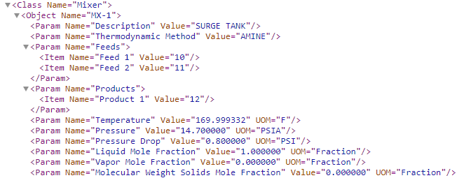
Description | Description | SURGE TANK

May not be needed | Thermodynamic Method | AMINE

 | Feeds
Ports.Inlet1 | Feed 1 | 10
Ports.Inlet2 | Feed 2 | 11

 | Products
Ports.Outlet1 | Product 1 | 12

This attribute comes from Material Port data. | Temperature | 169.999332 | F | 349.8167K
This attribute comes from Material Port data. | Pressure | 14.700000 | PSIA | 10352.9Pa
This attribute comes from Material Port data. | Pressure Drop | 0.800000 | PSI | it should be zero
This attribute comes from Material Port data. | Liquid Mole Fraction | 1.000000 | Fraction
This attribute comes from Material Port data. | Vapor Mole Fraction | 0.000000 | Fraction
This attribute comes from Material Port data. SolidMolecularWeight | Molecular Weight Solids Mole Fraction | 0.000000 | Fraction

Mas As | Process Vessel
 |  |  |  | Temperature: 169.999332°F is approximately 76.666296°C. | 349.816
 |  |  |  | Pressure: 14.700000 PSIA is approximately 101352.972000 Pa.
 |  |  |  | Pressure Drop: 0.800000 PSI is approximately 5515.808000 Pa.

Splitter
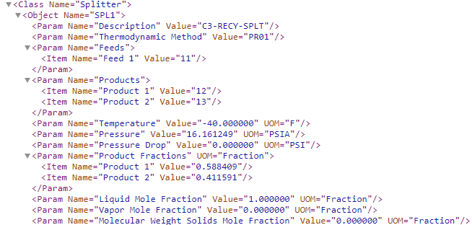
ABE | PROII
Class: Process Vessel | Class Name | Splitter
Class View: AbeAdsGeneric
ProII file | a1.xml
ItemNumber | Object Name | SPL1
Description | Description | C3-RECY-SPLT

May not be needed | Thermodynamic Method | PR01

 | Feeds
Ports.Inlet1 | Feed 1 | 11

 | Products
Ports.Outlet1 | Product 1 | 12
 | Product 2 | 13

This attribute comes from Material Port data. | Temperature | -40.000000 | F | 233.15K
This attribute comes from Material Port data. | Pressure | 16.161249 | PSIA | 111419.278Pa
This attribute comes from Material Port data. | Pressure Drop | 0.000000 | PSI | It is always 0
This attribute comes from Material Port data. | Product Fractions | Fraction |  | MassFlowRate lb/h | fraction
This attribute comes from Material Port data. | Product 1 | 0.588409 |  | 1141.190516 | 0.58840937022 | 0.1437kg/s
This attribute comes from Material Port data. | Product 2 | 0.411591 |  | 798.259421 | 0.41159062978 | 0.100kg/s
This attribute comes from Material Port data. | Liquid Mole Fraction | 1.000000 | Fraction
This attribute comes from Material Port data. | Vapor Mole Fraction | 0.000000 | Fraction |  |  | Mass Flows
SolidMolarFraction | Molecular Weight Solids Mole Fraction | 0.000000 | Fraction |  |  | Stream 11 | 1939.449937 | CALC
 |  |  |  |  |  | Stream 12 | 1141.190516 | 1141.190
Mas As | Process Vessel |  |  |  |  | Stream 13 | 798.259421 | 798.260

Distilation Column and Trays
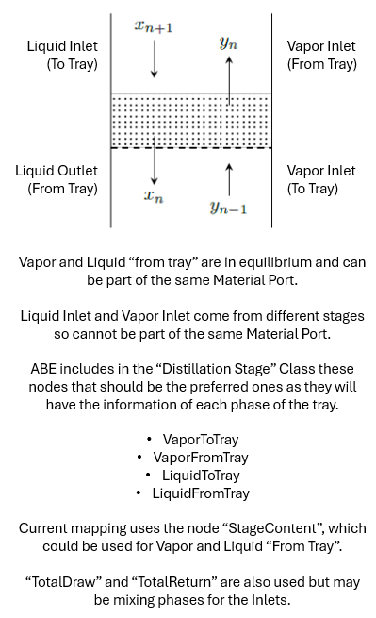
ABE | PROII
Class: Column | Class Name | Distillation
Class View: AbeAdsDistillation
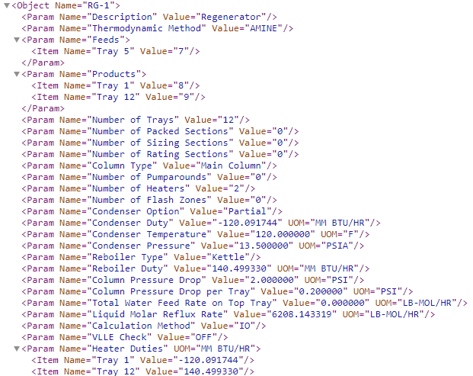
ProII file | G8_Amine_sweetening_plant_1 1.xml
ItemNumber | Object Name | RG-1
Description | Description | Regenerator
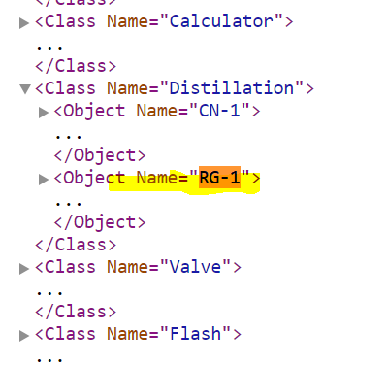
May not be needed | Thermodynamic Method | AMINE

 | Feeds
Ports.Inlet1 | Tray 5 | 7

 | Products
Ports.ColumnTopOut | Tray 1 | 8
Ports.ColumnBottomOut | Tray 12 | 9

ColumnSections(*).TrayNumbers | Number of Trays | 12
Pending | Number of Packed Sections | 0
May not be needed | Number of Sizing Sections | 0
May not be needed | Number of Rating Sections | 0
Pending | Column Type | Main Column
NumberOfPumpArounds | Number of Pumparounds | 0
Pending | Number of Heaters | 2
Pending | Number of Flash Zones | 0
Pending | Condenser Option | Partial
CondenserDuty | Condenser Duty | -120.091744 | MM BTU/HR
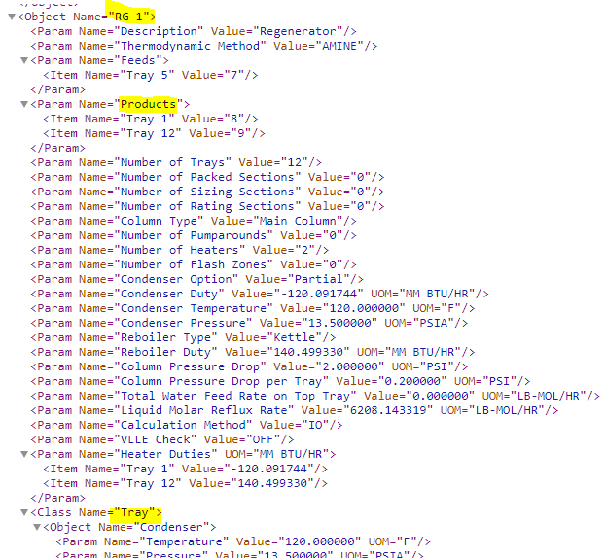
Condenser.TemperatureOut | Condenser Temperature | 120.000000 | F
Condenser.PressureOut | Condenser Pressure | 13.500000 | PSIA
ReboilerType | Reboiler Type | Kettle
ReboilerDuty | Reboiler Duty | 140.499330 | MM BTU/HR
ColumnPressureDrop | Column Pressure Drop | 2.000000 | PSI
ColumnSections.Trays.MaximumPressureDropPerTray | Column Pressure Drop per Tray | 0.200000 | PSI
Pending | Total Water Feed Rate on Top Tray | 0.000000 | LB-MOL/HR
Stages(1).LiquidReturn.MolarFlow | Liquid Molar Reflux Rate | 6208.143319 | LB-MOL/HR
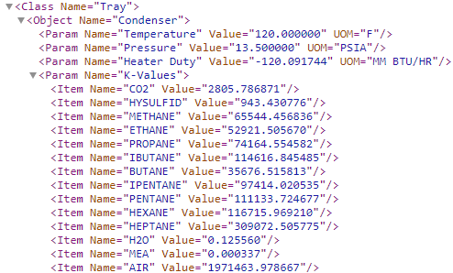
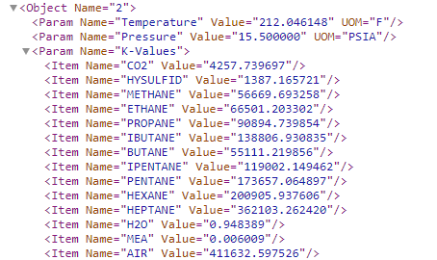
May not be needed | Calculation Method | IO
May not be needed | VLLE Check | OFF

 | Heater Duties
CondenserDuty | Tray 1 | -120.091744 | MM BTU/HR
ReboilerDuty | Tray 12 | 140.49933 | MM BTU/HR

ABE | PROII
 | Class Name | Tray
 | Object Name | Condenser

Stages(*).StageTemperature | Temperature | 120.000000 UOM | F
Stages(*).StagePressure | Pressure | 13.500000 UOM | PSIA
Stages(*).StageHeatFlow | Heater Duty | -120.091744 UOM | MM BTU/HR

Pending | K-Values | Multiple Values
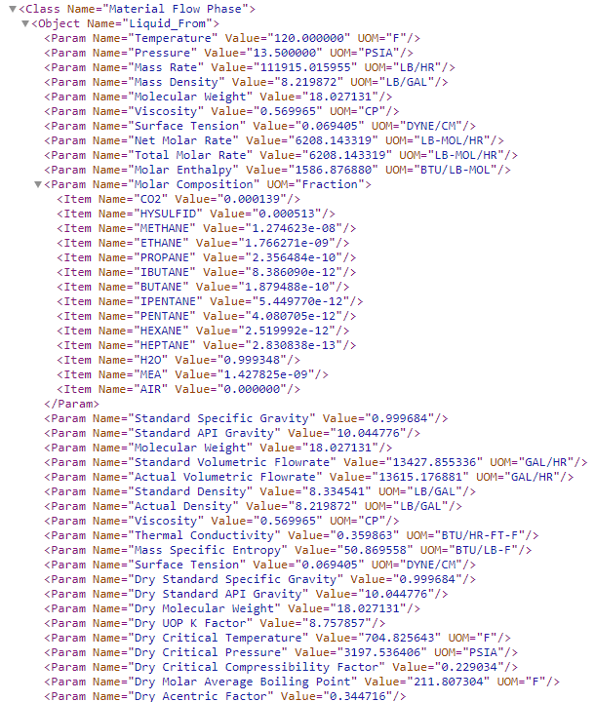
ABE | PROII
 | Class Name | Material Flow Phase
 | Object Name | Liquid_From

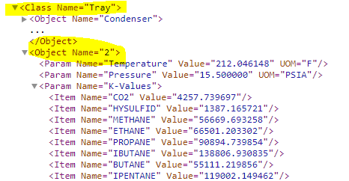
Repeated Attribute "Mass Density" | Actual Density | 8.219872 | LB/GAL
Stages(*).StageLiquidVolumetricFlow | Actual Volumetric Flowrate | 13615.176881 | GAL/HR
Pending | Dry Acentric Factor | 0.344716
Pending | Dry Critical Compressibility Factor | 0.229034
Pending | Dry Critical Pressure | 3197.536406 | PSIA
Pending | Dry Critical Temperature | 704.825643 | F
Pending | Dry Molar Average Boiling Point | 211.807304 | F
Pending | Dry Molecular Weight | 18.027131
Pending | Dry Standard API Gravity | 10.044776
Pending | Dry Standard Specific Gravity | 0.999684
Pending | Dry UOP K Factor | 8.757857
Stages(*).StageLiquidMassDensity | Mass Density | 8.219872 | LB/GAL
Stages(*).StageLiquidMassFlow | Mass Rate | 111915.015955 | LB/HR
Pending | Mass Specific Entropy | 50.869558 | BTU/LB-F
Stages(*).LiquidComponentMoleFraction(*) | Molar Composition | Multiple Values | Fraction
Stages(*).StageLiquidMolarEnthalpy | Molar Enthalpy | 1586.876880 | BTU/LB-MOL
Stages(*).StageLiquidMolecularWeight | Molecular Weight | 18.027131
Repeated Attribute | Molecular Weight | 18.027131
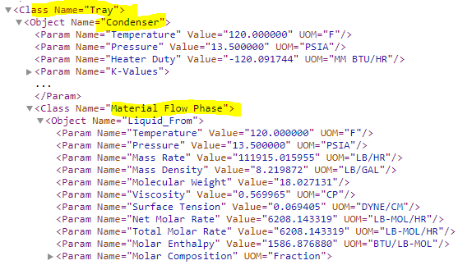
Pending | Net Molar Rate | 6208.143319 | LB-MOL/HR
Stages(*).StagePressure | Pressure | 13.500000 | PSIA
Pending | Standard API Gravity | 10.044776
Pending | Standard Density | 8.334541 | LB/GAL
Pending | Standard Specific Gravity | 0.999684
Pending | Standard Volumetric Flowrate | 13427.855336 | GAL/HR
Stages(*).StageLiquidSurfaceTension | Surface Tension | 0.069405 | DYNE/CM
Repeated Attribute | Surface Tension | 0.069405 | DYNE/CM
Stages(*).StageTemperature | Temperature | 120.000000 | F
Pending | Thermal Conductivity | 0.359863 | BTU/HR-FT-F
Stages(*).StageLiquidMolarFlow | Total Molar Rate | 6208.143319 | LB-MOL/HR
Stages(*).StageLiquidViscosity | Viscosity | 0.569965 | CP
Repeated Attribute | Viscosity | 0.569965 | CP

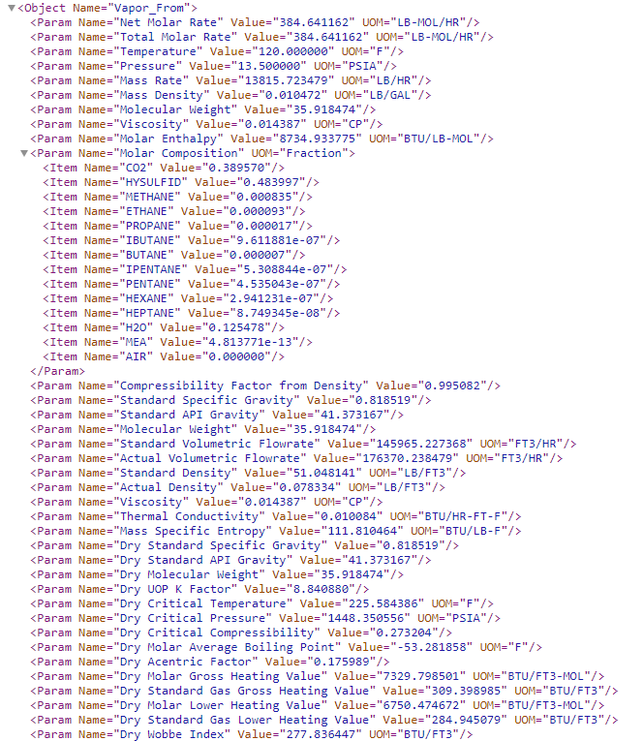
ABE | PROII
 | Class Name | Material Flow Phase
 | Object Name | Vapor_From

Repeated Attribute "Mass Density" | Actual Density | 0.078334 | LB/FT3
Stages(*).StageVaporVolumetricFlow | Actual Volumetric Flowrate | 176370.238479 | FT3/HR
Stages(*).StageVaporCompressibility | Compressibility Factor from Density | 0.995082
Pending | Dry Acentric Factor | 0.175989
Pending | Dry Critical Compressibility | 0.273204
Pending | Dry Critical Pressure | 1448.350556 | PSIA
Pending | Dry Critical Temperature | 225.584386 | F
Pending | Dry Molar Average Boiling Point | -53.281858 | F
Pending | Dry Molar Gross Heating | 7329.798501 | BTU/FT3-MOL
Pending | Dry Molar Lower Heating | 6750.474672 | BTU/FT3-MOL
Pending | Dry Molecular Weight | 35.918474
Pending | Dry Standard API Gravity | 41.373167
Pending | Dry Standard Gas Gross Heating | 309.398985 | BTU/FT3
Pending | Dry Standard Gas Lower Heating | 284.945079 | BTU/FT3
Pending | Dry Standard Specific Gravity | 0.818519
Pending | Dry UOP K Factor | 8.84088
Pending | Dry Wobbe Index | 277.836447 | BTU/FT3
Stages(*).StageVaporMassDensity | Mass Density | 0.010472 | LB/GAL
Stages(*).StageVaporMassFlow | Mass Rate | 13815.723479 | LB/HR
Pending | Mass Specific Entropy | 111.810464 | BTU/LB-F
Stages(*).VaporComponentMoleFraction(*) | Molar Composition | Multiple Values | Fraction
Stages(*).StageVaporMolarEnthalpy | Molar Enthalpy | 8734.933775 | BTU/LB-MOL
Stages(*).StageVaporMolecularWeight | Molecular Weight | 35.918474
Repeated Attribute | Molecular Weight | 35.918474
Pending | Net Molar Rate | 384.641162 | LB-MOL/HR
Stages(*).StagePressure | Pressure | 13.500000 | PSIA
Pending | Standard API Gravity | 41.373167
Pending | Standard Density | 51.048141 | LB/FT3
Pending | Standard Specific Gravity | 0.818519
Pending | Standard Volumetric Flowrate | 145965.227368 | FT3/HR
Stages(*).StageTemperature | Temperature | 120.000000 | F
Pending | Thermal Conductivity | 0.010084 | BTU/HR-FT-F
Stages(*).StageVaporMolarFlow | Total Molar Rate | 384.641162 | LB-MOL/HR
Stages(*).StageVaporViscosity | Viscosity | 0.014387 | CP
Repeated Attribute | Viscosity | 0.014387 | CP

ABE | PROII
 | Class Name | Material Flow Phase
 | Object Name | Liquid_To

Stages(*).TotalReturn.LiquidTemperature | Temperature | -459.670000 | F
Stages(*).TotalReturn.LiquidPressure | Pressure | 0.000000 | PSIA
Stages(*).TotalReturn.LiquidMassFlow | Mass Rate | 0.000000 | LB/HR
Stages(*).TotalReturn.LiquidMassDensity | Mass Density | 0.000000 | LB/GAL
Stages(*).TotalReturn.LiquidMolecularWeight | Molecular Weight | 0
Stages(*).TotalReturn.LiquidViscosity | Viscosity | 0.000000 | CP
Stages(*).TotalReturn.LiquidSurfaceTension | Surface Tension | 0.000000 | DYNE/CM

ABE | PROII
 | Class Name | Material Flow Phase
 | Object Name | Vapor_To

ColumnSections(*).Trays.VaporToTrayTemperature | Temperature | 212.947965 | F
ColumnSections(*).Trays.VaporToTrayPressure | Pressure | 15.700000 | PSIA
ColumnSections(*).Trays.VaporToTrayMassFlow | Mass Rate | 136086.616878 | LB/HR
ColumnSections(*).Trays.VaporToTrayMassDensity | Mass Density | 0.005565 | LB/GAL
ColumnSections(*).Trays.VaporToTrayMolecularWeight | Molecular Weight | 18.975965
Pending | Viscosity | 0.012819 | CP

Mas As | Column

Expander
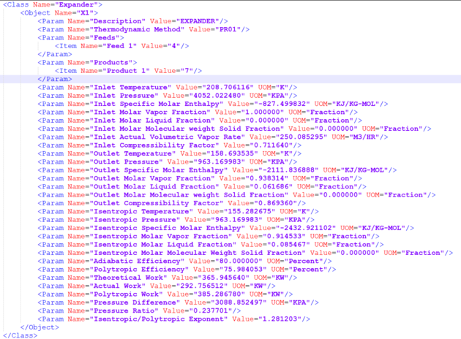
ABE | PROII
Class: Turbine | Class Name | Expander |  | Pro II File Name | G5_Expander_plant.xml
Class View: AbeAdsExpander

ItemNumber | Object Name | X1
Description | Description | EXPANDER

May not be needed | Thermodynamic Method | PR01

 | Feeds
Ports.Inlet | Feed 1 | 4

 | Products
Ports.Outlet | Product 1 | 7

 | Inlet Temperature | 208.7061 | K
 | Inlet Pressure | 4052.022 | KPA
 | Inlet Specific Molar Enthalpy | -827.5 | KJ/KG-MOL
 | Inlet Molar Vapor Fraction | 1 | Fraction
 | Inlet Molar Liquid Fraction | 0 | Fraction
 | Inlet Molar Molecular weight Solid Fraction | 0 | Fraction
 | Inlet Actual Volumetric Vapor Rate | 250.0853 | M3/HR
 | Inlet Compressibility Factor | 0.71164
 | Outlet Temperature | 158.6935 | K
 | Outlet Pressure | 963.17 | KPA
 | Outlet Specific Molar Enthalpy | -2111.84 | KJ/KG-MOL
 | Outlet Molar Vapor Fraction | 0.938314 | Fraction
 | Outlet Molar Liquid Fraction | 0.061686 | Fraction
 | Outlet Molar Molecular weight Solid Fraction | 0 | Fraction
 | Outlet Compressibility Factor | 0.86936
 | Isentropic Temperature | 155.2827 | K
 | Isentropic Pressure | 963.17 | KPA
 | Isentropic Specific Molar Enthalpy | -2432.92 | KJ/KG-MOL
 | Isentropic Molar Vapor Fraction | 0.914533 | Fraction
 | Isentropic Molar Liquid Fraction | 0.085467 | Fraction
 | Isentropic Molar Molecular Weight Solid Fraction | 0 | Fraction
AdiabaticEfficiency | Adiabatic Efficiency | 80 | Percent
 | Polytropic Efficiency | 75.98405 | Percent
 | Theoretical Work | 365.9456 | KW
 | Actual Work | 292.7565 | KW
 | Polytropic Work | 385.2868 | KW
PressureDrop | Pressure Difference | 3088.852 | KPA
PressureRatio | Pressure Ratio | 0.237701
 | Isentropic/Polytropic Exponent | 1.281203

 | Mas As:

Rigorous Exchanger
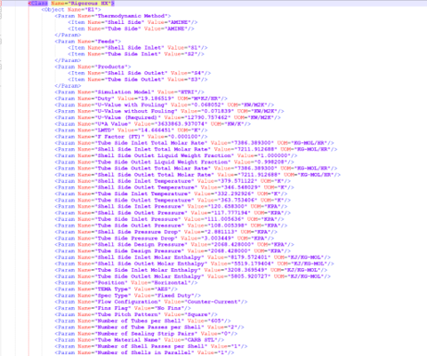
ABE | PROII |  |  | Pro II File Name | G8_Amine_sweetening_plant_1_RM.xml
Class: ShellAndTubeHeatExchanger | Class Name | Rigorous HX
Class View: AbeAdsHeatExchanger

ItemNumber | Object Name | HX-1
Description | Description | AMINE HX1

 | Thermodynamic Method
May not be needed | Shell Side | AMINE
May not be needed | Tube Side | AMINE

 | Feeds
Ports.ShellSideInlet | Shell Side Inlet | S1
Ports.TubeSideInlet | Tube Side Inlet | S2

 | Products
Ports.ShellSideOutlet | Shell Side Outlet | S4
Ports.TubeSideOutlet | Tube Side Outlet | S3

 | Simulation Model | HTRI
Duty | Duty | 19.186519 | M*KJ/HR
UFouled | U-Value with Fouling | 0.068052 | KW/M2K
UClean | U-Value without Fouling | 0.071839 | KW/M2K
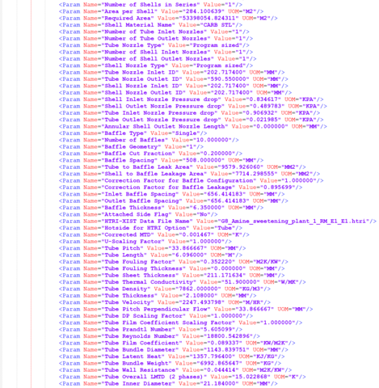
 | U-Value (Required) | 12790.75746 | KW/M2K
UA | U*A Value | 3633863.937 | KW/K
LogMeanTemperatureDifference | LMTD | 14.666451 | K
FTFactor | F Factor (FT) | 0.0001
 | Tube Side Inlet Total Molar Rate | 7386.3893 | KG-MOL/HR
 | Shell Side Inlet Total Molar Rate | 7211.912688 | KG-MOL/HR
 | Shell Side Outlet Liquid Weight Fraction | 1
 | Tube Side Outlet Liquid Weight Fraction | 0.998208
 | Tube Side Outlet Total Molar Rate | 7386.3893 | KG-MOL/HR
 | Shell Side Outlet Total Molar Rate | 7211.912688 | KG-MOL/HR
 | Shell Side Inlet Temperature | 379.571122 | K
 | Shell Side Outlet Temperature | 346.548029 | K
 | Tube Side Inlet Temperature | 332.292926 | K
 | Tube Side Outlet Temperature | 363.753406 | K
 | Shell Side Inlet Pressure | 120.6583 | KPA
 | Shell Side Outlet Pressure | 117.777194 | KPA
 | Tube Side Inlet Pressure | 111.005636 | KPA
 | Tube Side Outlet Pressure | 108.005398 | KPA
ShellPressureDrop | Shell Side Pressure Drop | 2.881113 | KPA
TubePressureDrop | Tube Side Pressure Drop | 3.003449 | KPA
ShellDesignPressure | Shell Side Design Pressure | 2068.428 | KPA
TubeDesignPressure | Tube Side Design Pressure | 2068.428 | KPA
 | Shell Side Inlet Molar Enthalpy | 8179.572401 | KJ/KG-MOL
 | Shell Side Outlet Molar Enthalpy | 5519.179404 | KJ/KG-MOL
 | Tube Side Inlet Molar Enthalpy | 3208.369549 | KJ/KG-MOL
 | Tube Side Outlet Molar Enthalpy | 5805.920727 | KJ/KG-MOL
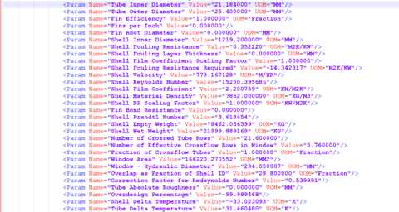
Orientation | Position | Horizontal
ShellTEMAType | TEMA Type | AES
 | Spec Type | Fixed Duty
 | Flow Configuration | Counter-Current
 | Fins Flag | No Fins
TubePattern | Tube Pitch Pattern | Square
TubesNumber | Number of Tubes per Shell | 605
NumberOfTubePasses | Number of Tube Passes per Shell | 2
 | Number of Sealing Strip Pairs | 0
TubeMaterial | Tube Material Name | CARB STL
NumberOfShellPasses | Number of Shell Passes per Shell | 1
ShellParallel | Number of Shells in Parallel | 1
ShellSeries | Number of Shells in Series | 1
AreaPerShell | Area per Shell | 284.100639 | M2
 | Required Area | 53398054.82 | M2
 | Shell Material Name | CARB STL
 | Number of Tube Inlet Nozzles | 1
 | Number of Tube Outlet Nozzles | 1
 | Tube Nozzle Type | Program sized
 | Number of Shell Inlet Nozzles | 1
 | Number of Shell Outlet Nozzles | 1
 | Shell Nozzle Type | Program sized
TubeInletNozzleDiameter | Tube Nozzle Inlet ID | 202.7174 | MM
TubeOutletNozzleDiameter | Tube Nozzle Outlet ID | 590.55 | MM
ShellInletNozzleDiameter | Shell Nozzle Inlet ID | 202.7174 | MM
ShellOutletNozzleDiameter | Shell Nozzle Outlet ID | 202.7174 | MM
 | Shell Inlet Nozzle Pressure drop | 0.834617 | KPA
 | Shell Outlet Nozzle Pressure drop | 0.489783 | KPA
 | Tube Inlet Nozzle Pressure drop | 0.906932 | KPA
 | Tube Outlet Nozzle Pressure drop | 0.021985 | KPA
 | Annular Shell Outlet Nozzle Length | 0 | MM
BaffleType | Baffle Type | Single
 | Number of Baffles | 10
 | Baffle Geometry | 1
BaffleCut | Baffle Cut Fraction | 0.2
BaffleSpacing | Baffle Spacing | 508 | MM
 | Tube to Baffle Leak Area | 9579.92606 | MM2
 | Shell to Baffle Leakage Area | 7714.298555 | MM2
 | Correction Factor for Baffle Configuration | 1
 | Correction Factor for Baffle Leakage | 0.895699
BaffleSpacingInlet | Inlet Baffle Spacing | 656.414183 | MM
BaffleSpacingOutlet | Outlet Baffle Spacing | 656.414183 | MM
BaffleThickness | Baffle Thickness | 6.35 | MM
 | Attached Side Flag | No
 | HTRI-XIST Data File Name | G8_Amine_sweetening_plant_1_RM_E1_E1.htri
 | Hotside for HTRI Option | Tube
 | Corrected MTD | 0.001467 | K
 | U-Scaling Factor | 1
TubePitch | Tube Pitch | 33.866667 | MM
TubeLength | Tube Length | 6.096 | M
 | Tube Fouling Factor | 0.35222 | M2K/KW
 | Tube Fouling Thickness | 0 | MM
 | Tube Sheet Thickness | 211.171634 | MM
 | Tube Thermal Conductivity | 51.9 | W/MK
 | Tube Density | 7862 | KG/M3
 | Tube Thickness | 2.108 | MM
 | Tube Velocity | 2247.493798 | M/HR
 | Tube Pitch Perpendicular Flow | 33.866667 | MM
 | Tube DP Scaling Factor | 1
 | Tube Film Coefficient Scaling Factor | 1
 | Tube Prandtl Number | 5.605099
 | Tube Reynolds Number | 18800.5429
 | Tube Film Coefficient | 0.089337 | KW/M2K
 | Tube Bundle Diameter | 1143.839751 | MM
 | Tube Latent Heat | 1357.7964 | KJ/KG
 | Tube Bundle Weight | 6992.865647 | KG
 | Tube Wall Resistance | 0.044414 | M2K/KW
 | Tube Overall LMTD (2 phases) | 15.022868 | K
TubeInsideDiameter | Tube Inner Diameter | 21.184 | MM
TubeOutsideDiameter | Tube Outer Diameter | 25.4 | MM
FinEfficiency | Fin Efficiency | 1 | Fraction
 | Fins per Inch | 0
FinRootDiameter | Fin Root Diameter | 0 | MM
ShellDiameter | Shell Inner Diameter | 1219.2 | MM
ShellFoulingResistance | Shell Fouling Resistance | 0.35222 | M2K/KW
 | Shell Fouling Layer Thickness | 0 | MM
 | Shell Film Coefficient Scaling Factor | 1
 | Shell Fouling Resistance Required | -14.342317 | M2K/KW
 | Shell Velocity | 773.167128 | M/HR
 | Shell Reynolds Number | 15250.39569
 | Shell Film Coefficient | 2.200759 | KW/M2K
 | Shell Material Density | 7862 | KG/M3
 | Shell DP Scaling Factor | 1 | KW/M2K
 | Fin Bond Resistance | 0
 | Shell Prandtl Number | 3.618454
ShellWeightEmpty | Shell Empty Weight | 8462.056399 | KG
ShellWeightWet | Shell Wet Weight | 21999.88917 | KG
 | Number of Crossed Tube Rows | 21.6
 | Number of Effective Crossflow Rows in Window | 5.76
 | Fraction of Crossflow Tubes | 1 | Fraction
 | Window Area | 166220.2706 | MM2
 | Window - Hydraulic Diameter | 294.050007 | MM
 | Overlap as Fraction of Shell ID | 28.8 | Fraction
 | Correction Factor for Redeynolds Number | 0.539991
 | Tube Absolute Roughness | 0 | MM
 | Overdesign Percentage | -99.999468
 | Shell Delta Temperature | -33.023093 | K
 | Tube Delta Temperature | 31.46048 | K

Side Column
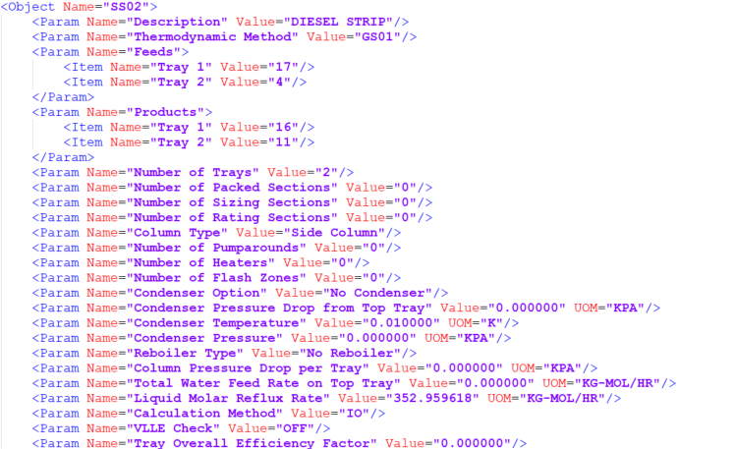
ABE | PROII |  |  | Pro II File Name | R3R_Crude_oil_distillation.xml
Class: Column | Class Name | Side Column
Class View: AbeAdsDistillation

ItemNumber | Object Name | SS02
Description | Description | DIESEL STRIP

May not be needed | Thermodynamic Method | GS01

ColumnSections(*).TrayNumbers | Number of Trays | 2
 | Number of Packed Sections | 0
 | Number of Sizing Sections | 0
 | Number of Rating Sections | 0
 | Column Type | Side Column
NumberOfPumpArounds | Number of Pumparounds | 0
 | Number of Heaters | 0
 | Number of Flash Zones | 0
 | Condenser Option | No Condenser
 | Condenser Pressure Drop from Top Tray | 0 | KPA
 | Condenser Temperature | 0.01 | K
 | Condenser Pressure | 0 | KPA
ReboilerType | Reboiler Type | No Reboiler
 | Column Pressure Drop per Tray | 0 | KPA
 | Total Water Feed Rate on Top Tray | 0 | KG-MOL/HR
 | Liquid Molar Reflux Rate | 352.959618 | KG-MOL/HR
 | Calculation Method | IO
 | VLLE Check | OFF
 | Tray Overall Efficiency Factor | 0

Distilation Curves
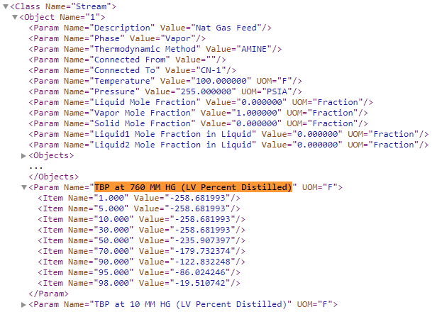
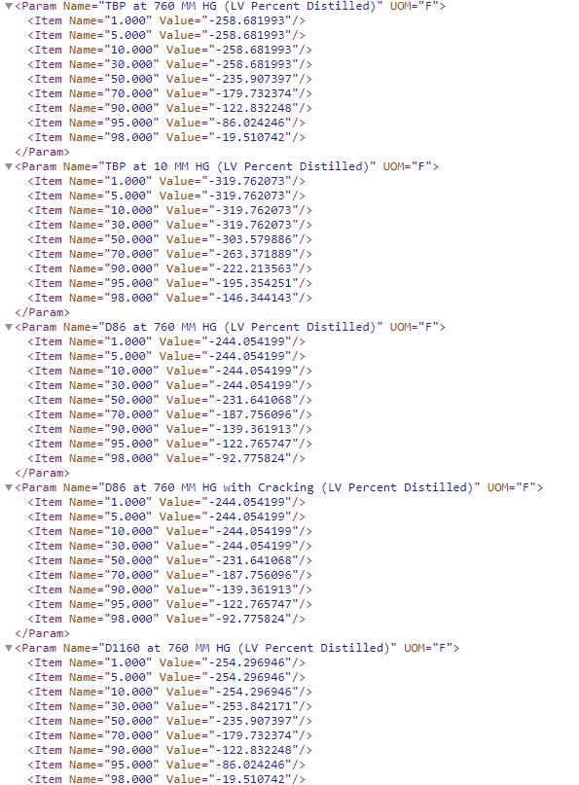
ABE | PROII
Class: Pending | Class Name | Material Flow Phase
Class View: Pending
ProII file | G8_Amine_sweetening_plant_1 1.xml | Stream Name 1 (See below screenshot)
 | TBP at 760 MM HG (LV Percent Distilled)
 | 1.000 | -258.681993 | F
 | 5.000 | -258.681993 | F
 | 10.000 | -258.681993 | F
 | 30.000 | -258.681993 | F
 | 50.000 | -235.907397 | F
 | 70.000 | -179.732374 | F
 | 90.000 | -122.832248 | F
 | 95.000 | -86.024246 | F
 | 98.000 | -19.510742 | F

 | TBP at 10 MM HG (LV Percent Distilled)
 | 1.000 | -319.762073 | F
 | 5.000 | -319.762073 | F
 | 10.000 | -319.762073 | F
 | 30.000 | -319.762073 | F
 | 50.000 | -303.579886 | F
 | 70.000 | -263.371889 | F
 | 90.000 | -222.213563 | F
 | 95.000 | -195.354251 | F
 | 98.000 | -146.344143 | F

 | D86 at 760 MM HG (LV Percent Distilled)
 | 1.000 | -244.054199 | F
 | 5.000 | -244.054199 | F
 | 10.000 | -244.054199 | F
 | 30.000 | -244.054199 | F
 | 50.000 | -231.641068 | F
 | 70.000 | -187.756096 | F
 | 90.000 | -139.361913 | F
 | 95.000 | -122.765747 | F
 | 98.000 | -92.775824 | F

 | D86 at 760 MM HG with Cracking (LV Percent Distilled)
 | 1.000 | -244.054199 | F
 | 5.000 | -244.054199 | F
 | 10.000 | -244.054199 | F
 | 30.000 | -244.054199 | F
 | 50.000 | -231.641068 | F
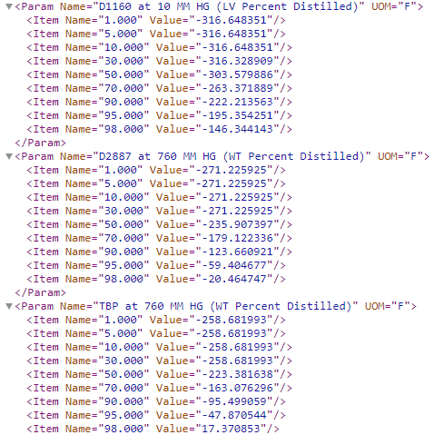
 | 70.000 | -187.756096 | F
 | 90.000 | -139.361913 | F
 | 95.000 | -122.765747 | F
 | 98.000 | -92.775824 | F

 | D1160 at 760 MM HG (LV Percent Distilled)
 | 1.000 | -254.296946 | F
 | 5.000 | -254.296946 | F
 | 10.000 | -254.296946 | F
 | 30.000 | -253.842171 | F
 | 50.000 | -235.907397 | F
 | 70.000 | -179.732374 | F
 | 90.000 | -122.832248 | F
 | 95.000 | -86.024246 | F
 | 98.000 | -19.510742 | F

 | D1160 at 10 MM HG (LV Percent Distilled)
 | 1.000 | -316.648351 | F
 | 5.000 | -316.648351 | F
 | 10.000 | -316.648351 | F
 | 30.000 | -316.328909 | F
 | 50.000 | -303.579886 | F
 | 70.000 | -263.371889 | F
 | 90.000 | -222.213563 | F
 | 95.000 | -195.354251 | F
 | 98.000 | -146.344143 | F

 | D2887 at 760 MM HG (WT Percent Distilled)
 | 1.000 | -271.225925 | F
 | 5.000 | -271.225925 | F
 | 10.000 | -271.225925 | F
 | 30.000 | -271.225925 | F
 | 50.000 | -235.907397 | F
 | 70.000 | -179.122336 | F
 | 90.000 | -123.660921 | F
 | 95.000 | -59.404677 | F
 | 98.000 | -20.464747 | F

 | TBP at 760 MM HG (WT Percent Distilled)
 | 1.000 | -258.681993 | F
 | 5.000 | -258.681993 | F
 | 10.000 | -258.681993 | F
 | 30.000 | -258.681993 | F
 | 50.000 | -223.381638 | F
 | 70.000 | -163.076296 | F
 | 90.000 | -95.499059 | F
 | 95.000 | -47.870544 | F
 | 98.000 | 17.370853 | F

ValvePortData
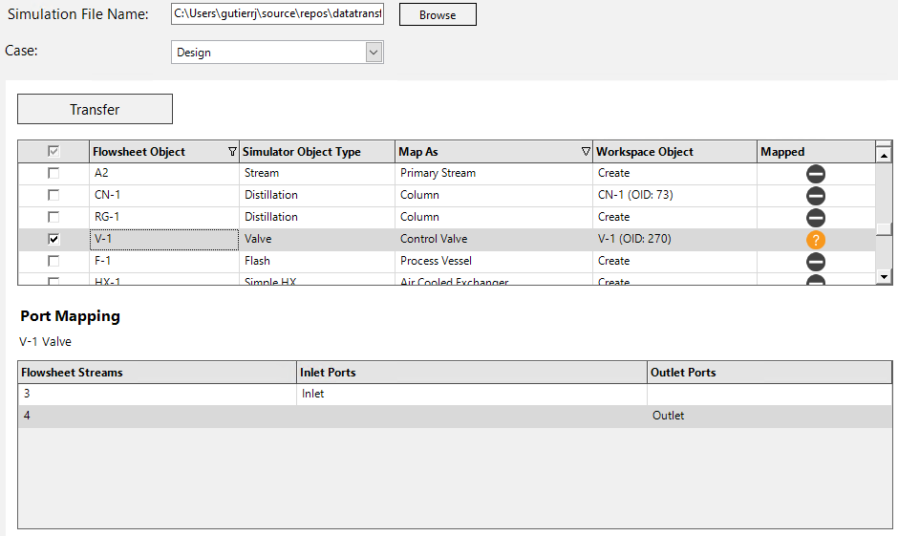
1. open G8_Amine_sweetening_plant_1 1.xml in Sim Mapper
2. transfer V-1 object selecting Port Mapping according to screenshot
3. add oid for V-1 object to automation testing project and run test

